Sheet1
S384 Projects weeks 1 and 2
 | date of observing night | 5th December 2024
 | Columns for the ‘Selecting a longlist of targets and shortlisting’ activity |  |  |  |  |  | Columns for ‘Literature search to rank shortlisted targets’ activity
 | planet name (preferably with a link to a database) | RA/h:m:s | Dec/(deg arcmin arcsec) | magnitude | transit depth/mmag | transit completeness | Why you selected this target (preferably include link(s) to references) | your ranking (choose up to five targets)
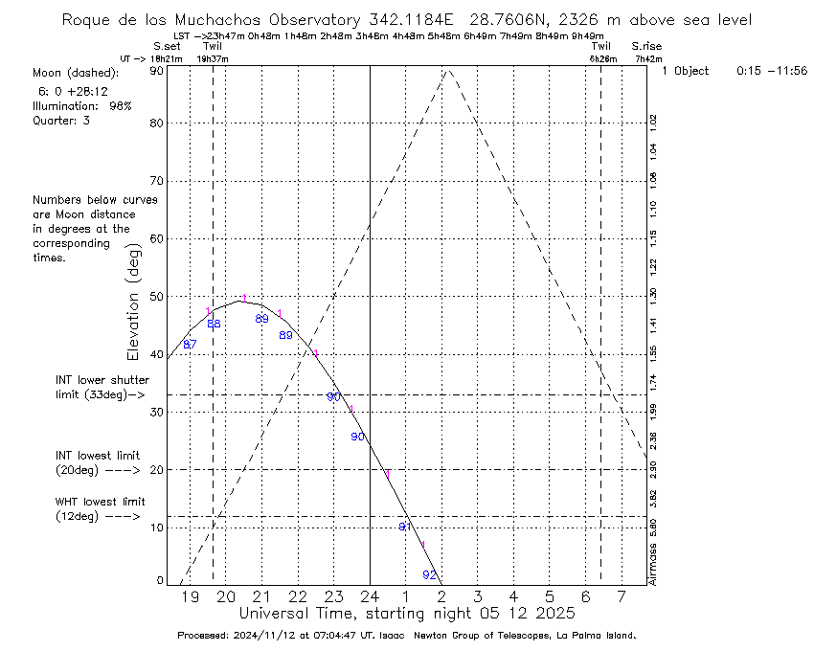
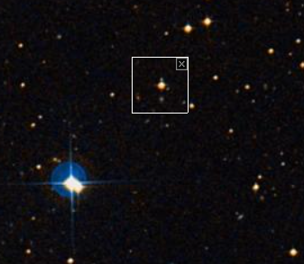
Target 1 | WASP-44b | 0:15:37 | -11:56:17.286 | 13.17 | 19.47 | Full transit | Exoclock Medium Priority | 1
 |  |  |  |  |  |  | Moon 21% @50° - around 90 degrees away all night
 |  |  |  |  |  |  | Several stars of similar magnitude close by for comparison
 |  |  |  |  |  |  | Much brighter nearby star
 |  |  |  |  |  |  | Only 1 observation this year, could benefit from additional data, ephemeris needs improvement

 |  |  |  |  |  |  | Significant existing data, but continued observation would refine its atmospheric characterization and orbital dynamics. This exoplanet has been a subject of various studies, and ongoing data could add to understanding atmospheric composition and potential transit timing variations.

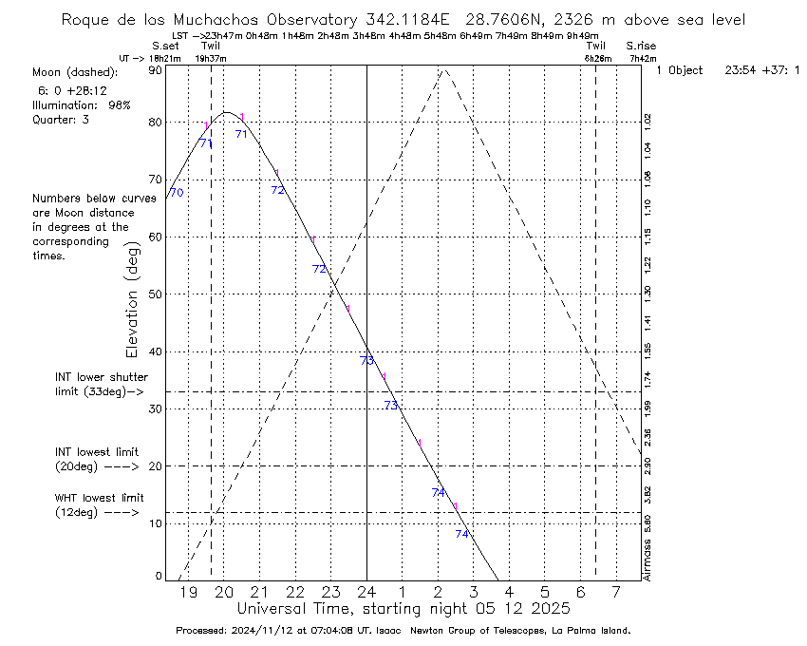
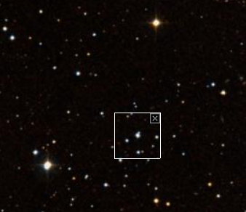
Target 2 | Qatar-7b | 23:54:04 | +37:01:18.584 | 13.02 | 15.92 | Full transit | Exoclock Low Priority | 2
 |  |  |  |  |  |  | Moon 21% @74° - around 70 degrees away all night
 |  |  |  |  |  |  | Several stars of similar magnitude close by for comparison
 |  |  |  |  |  |  | Only 2 observations this year
 |  |  |  |  |  |  | Top 6% hottest and largest known exoplanets
 |  |  |  |  |  |  | Only discovered in 2019, could benefit from additional data
 |  |  |  |  |  |  | A product of the Qatar Exoplanet Survey, Qatar-7b benefits from dedicated initial observations. Additional data could provide insights into planetary atmosphere but may yeild less info than other planets

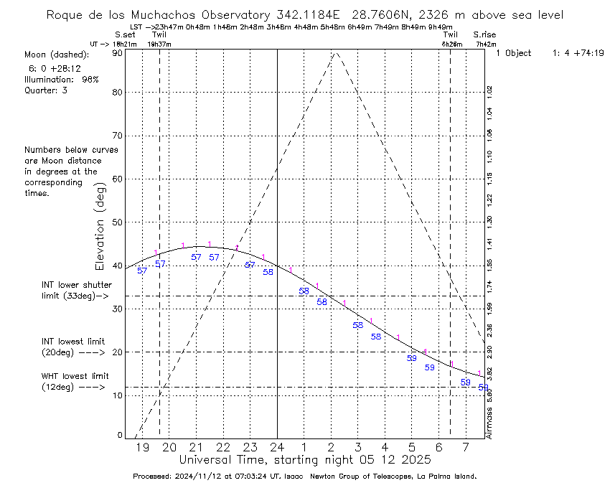
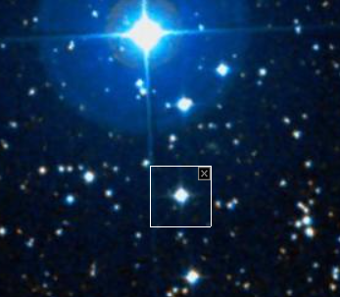
 |  |  |  |  |  |  | https://ui.adsabs.harvard.edu/abs/2019AJ....157...74A/abstract
Target 3 | TOI-2046b | 1:04:44 | +74:19:52.857 | 11.197 | 18.11 | Full transit | Exoclock Low Priority | 3
 |  |  |  |  |  |  | Moon 21% @105° - around 60 degrees away all night
 |  |  |  |  |  |  | Several stars of similar magnitude close by for comparison
 |  |  |  |  |  |  | Much, much brighter star nearby - could be an issue
 |  |  |  |  |  |  | Lots of recent observation, ephemeris not verified and needs improvement
 |  |  |  |  |  |  | One of the youngest known hot jupiters
 |  |  |  |  |  |  | Observing TOI-2046b could help with further confirmation of planetary parameters and potential atmospheric composition studies.

 |  |  |  |  |  |  | https://ieeexplore.ieee.org/abstract/document/10084720

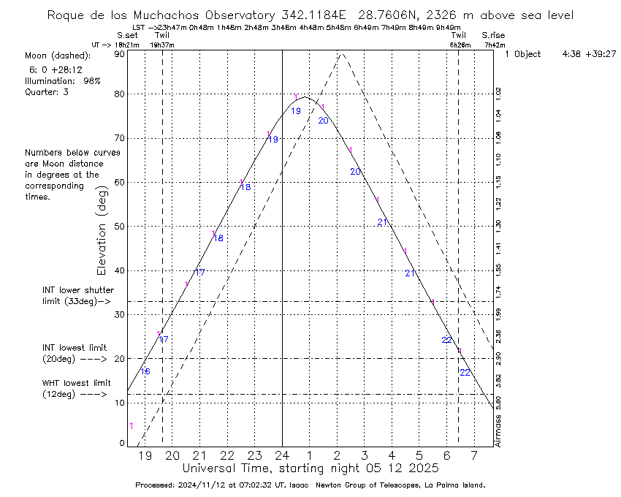
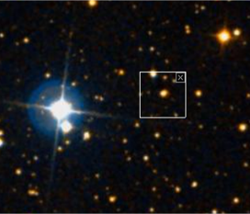
Target 4 | TOI-3714b | 4:38:13 | +39:27:29.909 | 14.148 | 55.81 | Full transit | Exoclock Low Priority | 5
 |  |  |  |  |  |  | Moon 23% @122° - around 20 degrees away, may hinder readings
 |  |  |  |  |  |  | Magnitude outside advisable range, may be too bright
 |  |  |  |  |  |  | Several stars of similar magnitude close by for comparison
 |  |  |  |  |  |  | Very bright star nearby
 |  |  |  |  |  |  | 12 Recent observations, ephemeris not verified
 |  |  |  |  |  |  | Only discovered in 2022, very few publications, data inaccuracies are large
 |  |  |  |  |  |  | TOI-3714b is similar to other hot Jupiters and would benefit less from additional observations compared to the other options

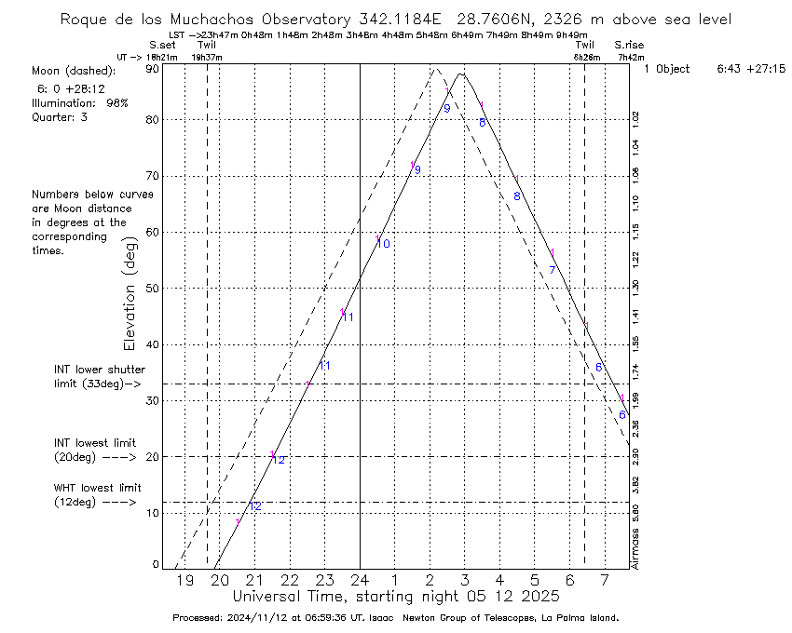
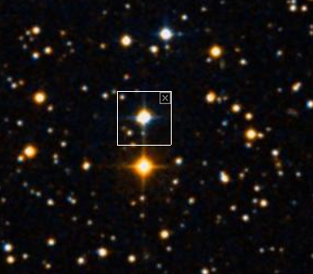
 |  |  |  |  |  |  | https://iopscience.iop.org/article/10.3847/1538-3881/ac7804
Target 5 | HAT-P-56b | 6:43:24 | +27:15:08.212 | 10.648 | 10.66 | Full transit | Exoclock Low Priority | 4
 |  |  |  |  |  |  | Moon 22% @149° - around 10 degrees away all night, may hinder readings
 |  |  |  |  |  |  | Several stars of similar magnitude close by for comparison
 |  |  |  |  |  |  | Only 4 recent observations, ephemeris needs improvement
 |  |  |  |  |  |  | New observations could contribute to orbital stability studies and refine atmospheric characteristics. This can help add incremental data for studies on transit depth variation and host star interaction.

 |  |  |  |  |  |  | https://ui.adsabs.harvard.edu/abs/2015AJ....150...85H/abstract

